Title
ZEW - Leibniz Centre for European Economic Research


Protection Measures for Intellectual Property
Results of the annual innovation survey in manufacturing and business-oriented service sectors in Germany

2022 Edition

Release: August 2022

Contact:
Christian Rammer
email: rammer@zew.de
Phone +49 (0)621 1235 184

© ZEW - Leibniz Centre for European Economic Research, 2022

Introduction
Introduction

1. Survey questions
Questions on protection measures for intellectual property were included in every second year from 2011 on. In 2011, 2013, 2017 and 2019, five types of legal measures and three types of strategic measures were used. In 2019, an additional strategic measure (long-term relationship to qualified personnel) was included. In 2015 and 2021, only inlcuded legal measures were included. In 2021, secrecy was also considered as a legal measure since (trade secrets). In 2011, 2017 and 2019, data on both the use and the importance of each measure have been collected. In 2013, the question refered to the degree of effectiveness for mainting or increasing competitiveness of innovations, using a 4-point Likert scale. In 2015 and 2021, only data on the use of the measures was collected. In all years except 2013, the question was presented to all firms, whereas in 2013, only innovation active firms were asked to complete the question.

2. Questions used in the surveys (translation from the original German version of the questionnaires)
2011 survey

2013 survey

2015 survey

2017 survey
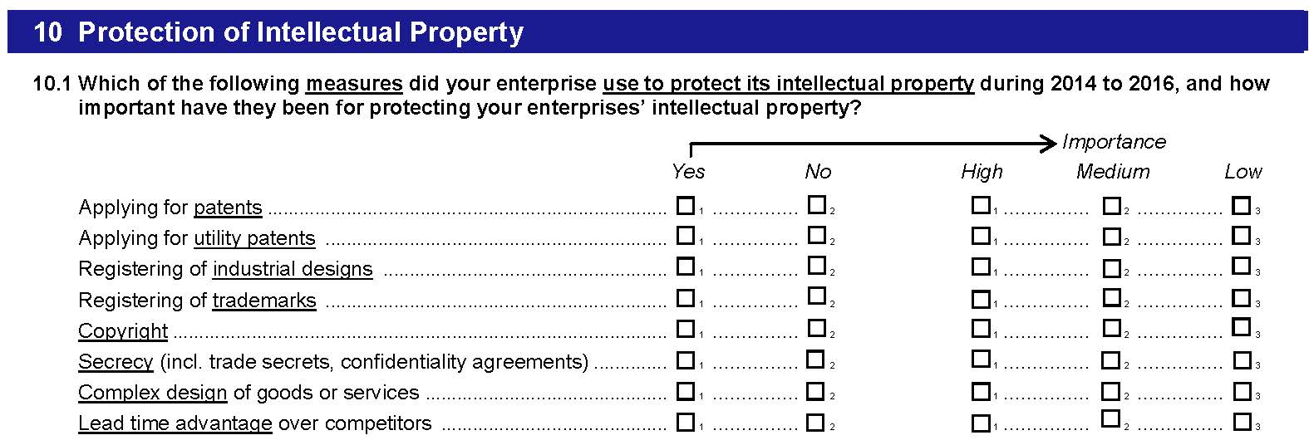

2019 survey
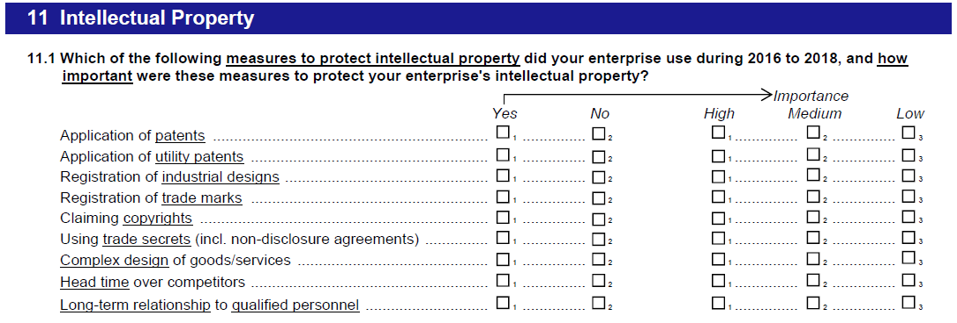

2021 survey

