Title
Centre for European Economic Research | 

Information Sources for Innovation Activities
Results of the annual innovation survey in manufacturing and business oriented service sectors in Germany



Ausgabe 2018

2018 Edition

Release: December 11th, 2018

Contact:
Christian Rammer
email: rammer@zew.de
Phone +49 (0)621 1235 184

© Centre for European Economic Research (ZEW), 2018

Introduction
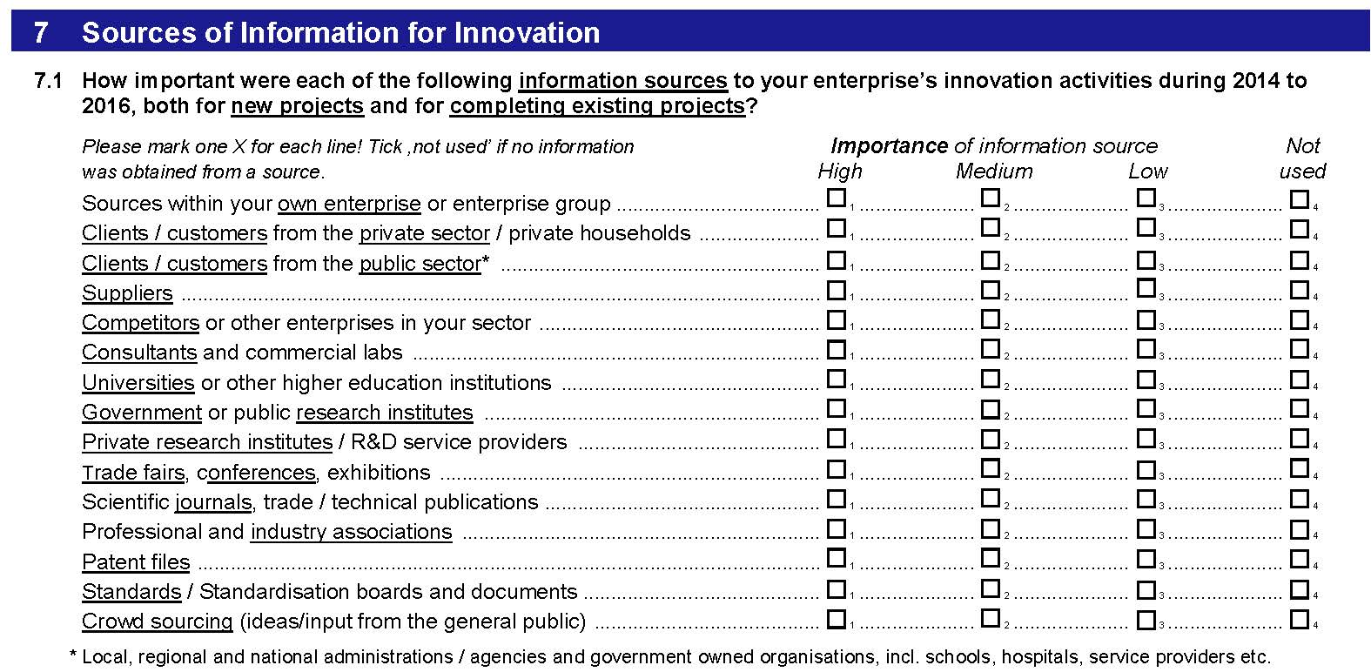
Introduction

1. Survey questions
Questions on information sources for innovation activities were included in survey waves 2009, 2013 and 2017. The 2009 wave used twelve, the 2013 wave used 13 and the 2017 wave used 15 categories of information sources. In each survey, a 4-point Likert scale was used to measure the importance of each information source. The question was presented to innovation active firms only.

2. Questions used in the surveys (translation from the original German version of the questionnaires)
2009 survey
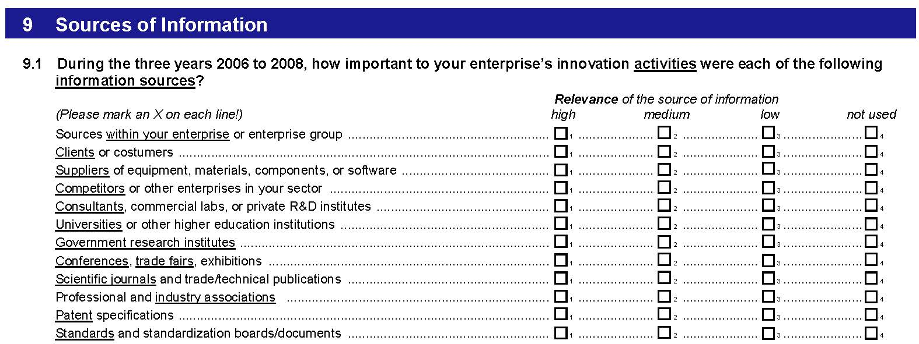

2013 survey
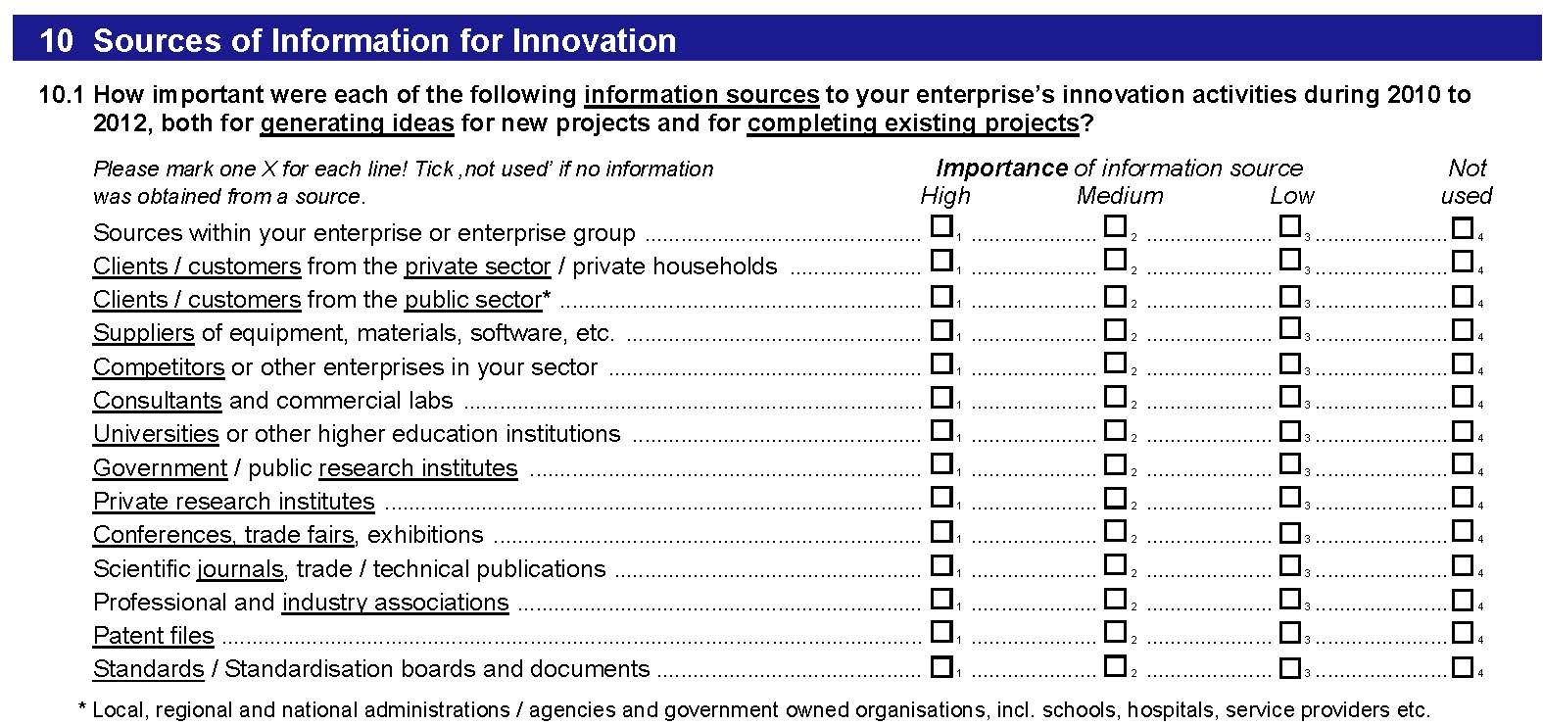

2017 survey

