Title
Centre for European Economic Research (ZEW) | 

Environmental Innovations
Results of the annual innovation survey in manufacturing and business-oriented service sectors in Germany



Ausgabe 2018

Release: December 11th, 2018

Contact:
Christian Rammer
email: rammer@zew.de
Phone +49 (0)621 1235 184

© Centre for European Economic Research (ZEW), 2018

Introduction
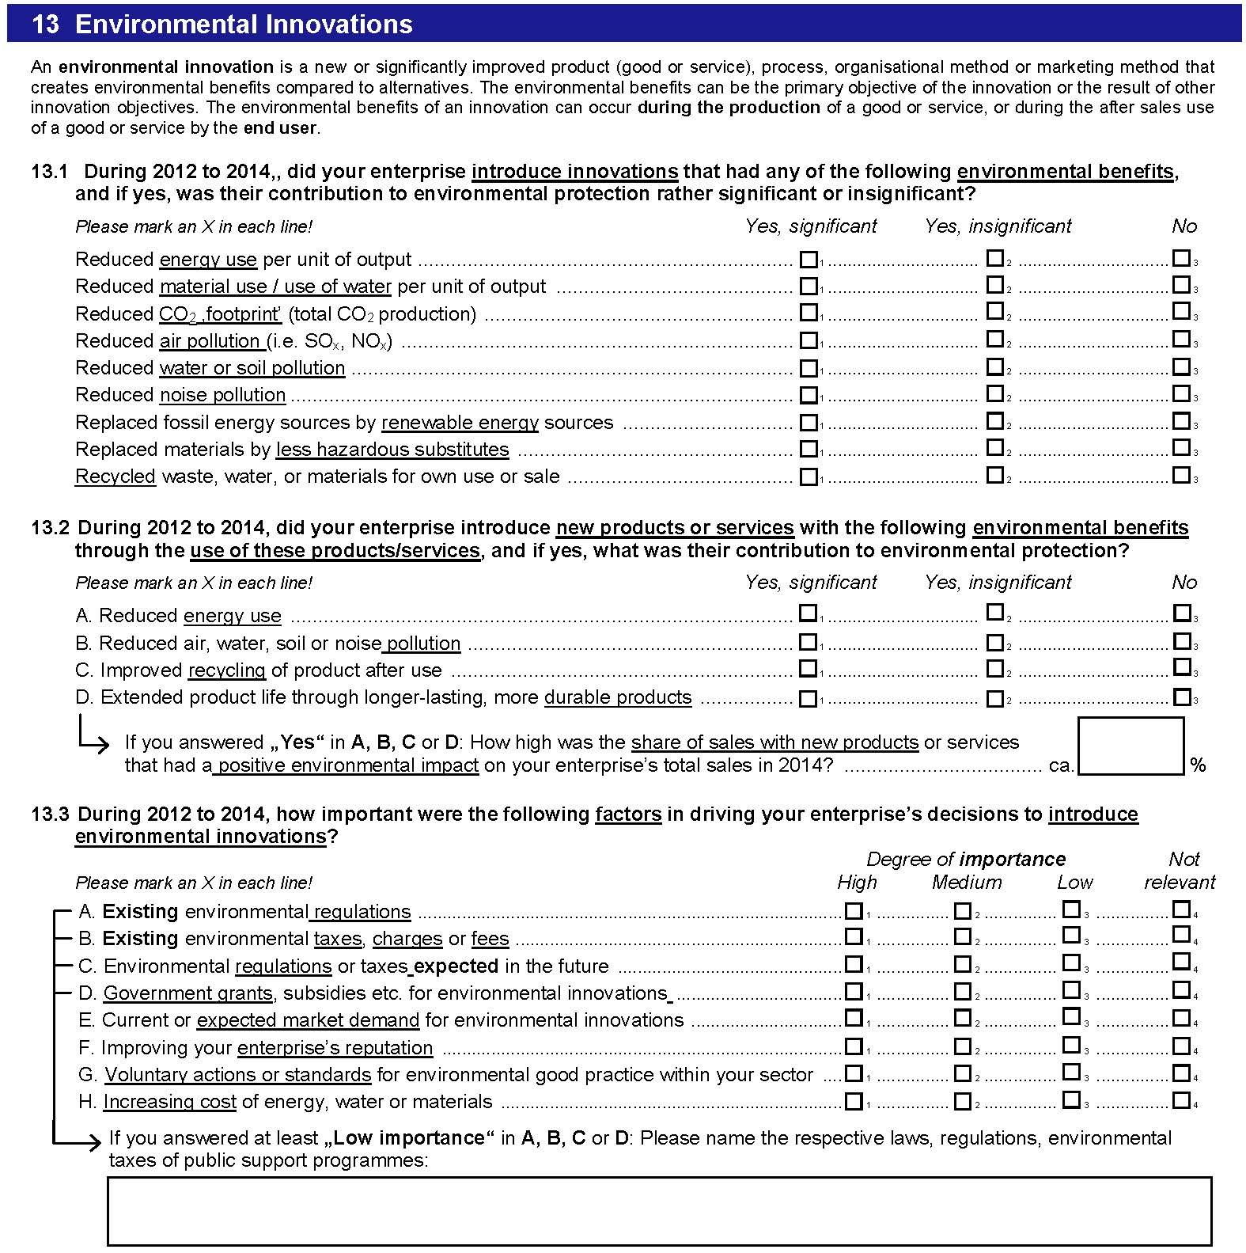
Introduction

1. Survey questions
Questions on environmental innovations were included in survey waves 2009 and 2015. In 2015, an additional category of innovations with environmental benefits within the firm was added (replace fossil by renewable energy soures) while two items asked separately in 2009 were merged (water and soil pollution). The 2015 also contained an additional category of innovations with environmental benetis through the use of products or services (extended produc life). The question on factors that drove the introduction of environmental innovations was extended by three additional items, and the response options were changed to a 4-point Likert scale.

2. Questions used in the surveys (translation from the original German version of the questionnaires)
2009 survey
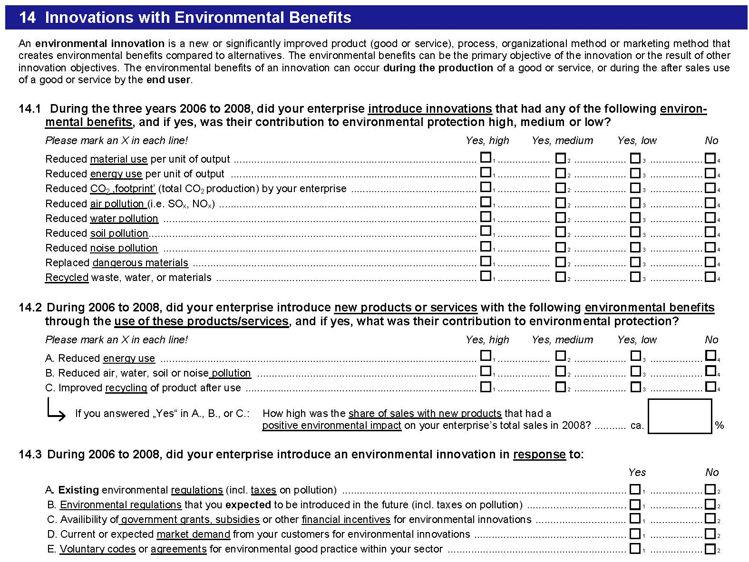

2015 survey

