Title
Centre for European Economic Research (ZEW) | 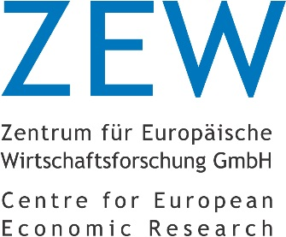

Core Indicators on Innovation Activities of Firms
Results of the annual innovation survey in manufacturing and business-oriented service sectors in Germany
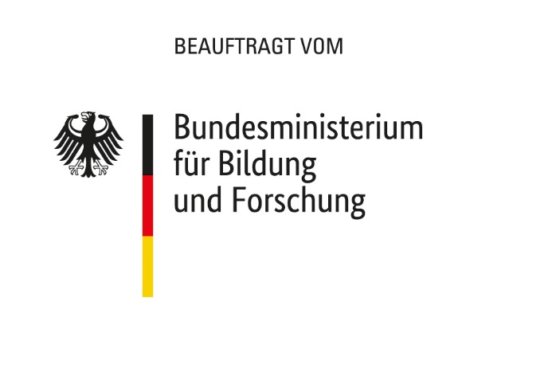

2018 edition

Release: November 26th, 2018

Contact:
Christian Rammer
email: rammer@zew.de
Phone +49 (0)621 1235 184

© Centre for European Economic Research (ZEW), 2018

