Title
Centre for European Economic Research | 

Public Financial Support for R&D and Innovation Activities
Results of the annual innovation survey in manufacturing and business oriented service sectors in Germany



2018 Edition

Release: December 11th, 2018

Contact:
Christian Rammer
email: rammer@zew.de
Phone +49 (0)621 1235 184

© Centre for European Economic Research (ZEW), 2018

Introduction
Introduction

1. Survey questions
Questions on public financial support for R&D and innovation activities were included every second year from 2007 on. The 2007 wave used six and the 2009 and 2011 waves used seven categories of public financial support. From 2013 on, eight categories were used, following a change in the respective question in the harmonised Community Innovation Survey (CIS) questionnaire. From 2013 on, the question also asked for the number of R&D/innovation projects that received publif financial support. The results on this question are reported in separate tabulations on the number of innovation projects.

2. Questions used in the surveys (translation from the original German version of the questionnaires)
2007 survey

2009 survey
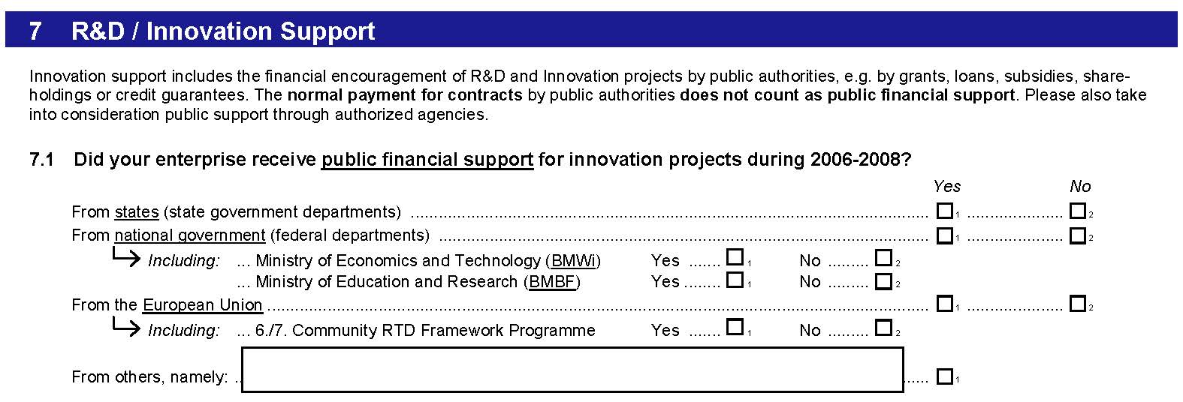

2011 survey
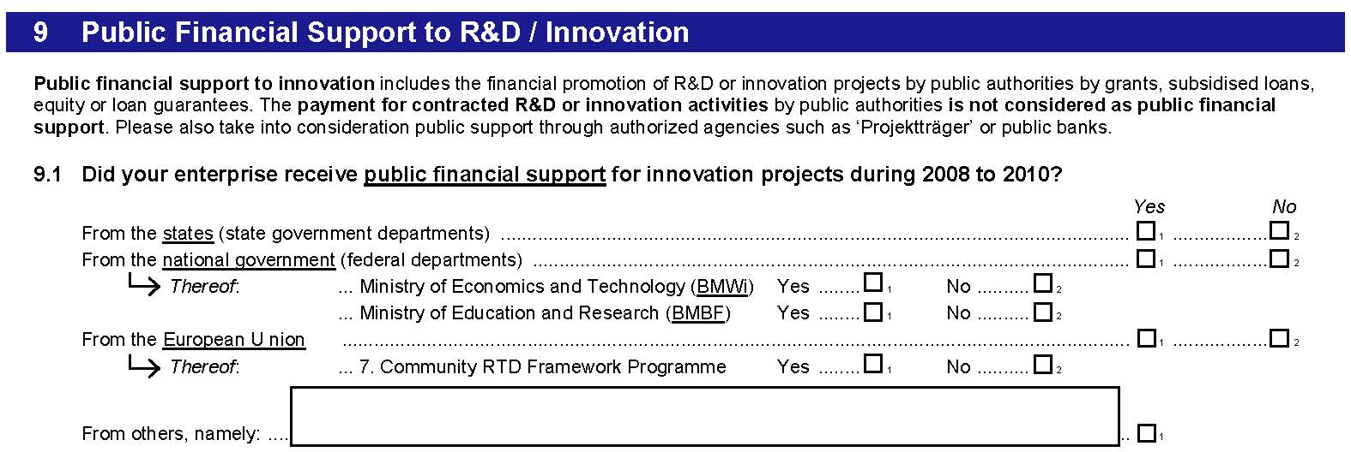

2013 survey

2015 survey

2017 survey

