Title
Centre for European Economic Research (ZEW) | 

Protection Measures for Intellectual Property
Results of the annual innovation survey in manufacturing and business-oriented service sectors in Germany



Ausgabe 2018

Release: December 11th, 2018

Contact:
Christian Rammer
email: rammer@zew.de
Phone +49 (0)621 1235 184

© Centre for European Economic Research (ZEW), 2018

Introduction
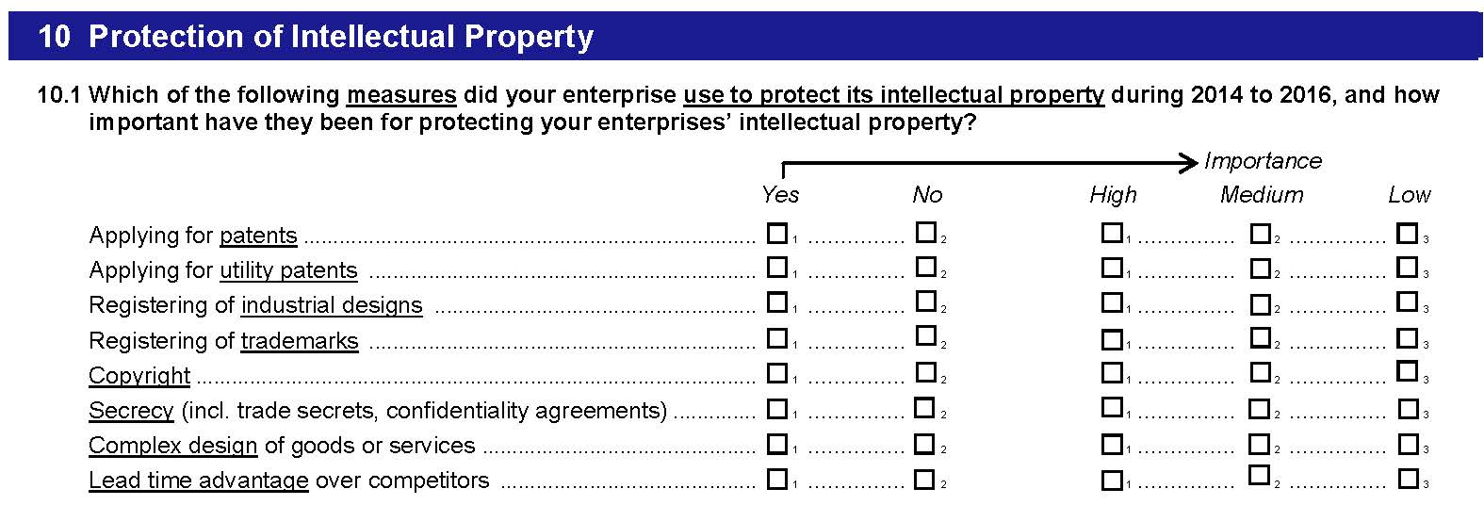
Introduction

1. Survey questions
Questions on protection measures for intellectual property were included in every second year from 2011 on. In 2011, 2013 and 2017, five types of legal measures and three types of strategic measures were used, while the 2015 wave only inlcuded five types of legal measures. In 2011 and 2017, data on both the use and the importance of each measure have been collected. In 2013, the question refered to the degree of effectiveness for mainting or increasing competitiveness, using a 4-point Likert scale. In 2015, only data on the use of the measures was collected. In all years, he question was presented to all firms.

2. Questions used in the surveys (translation from the original German version of the questionnaires)
2011 survey

2013 survey

2015 survey

2017 survey

