Title
Centre for European Economic Research | 

Obstacles to Innovation Activities
Results of the annual innovation survey in manufacturing and business oriented service sectors in Germany


2018 Edition

Release: December 11th, 2018

Contact:
Christian Rammer
email: rammer@zew.de
Phone +49 (0)621 1235 184

© Centre for European Economic Research (ZEW), 2018

Introduction
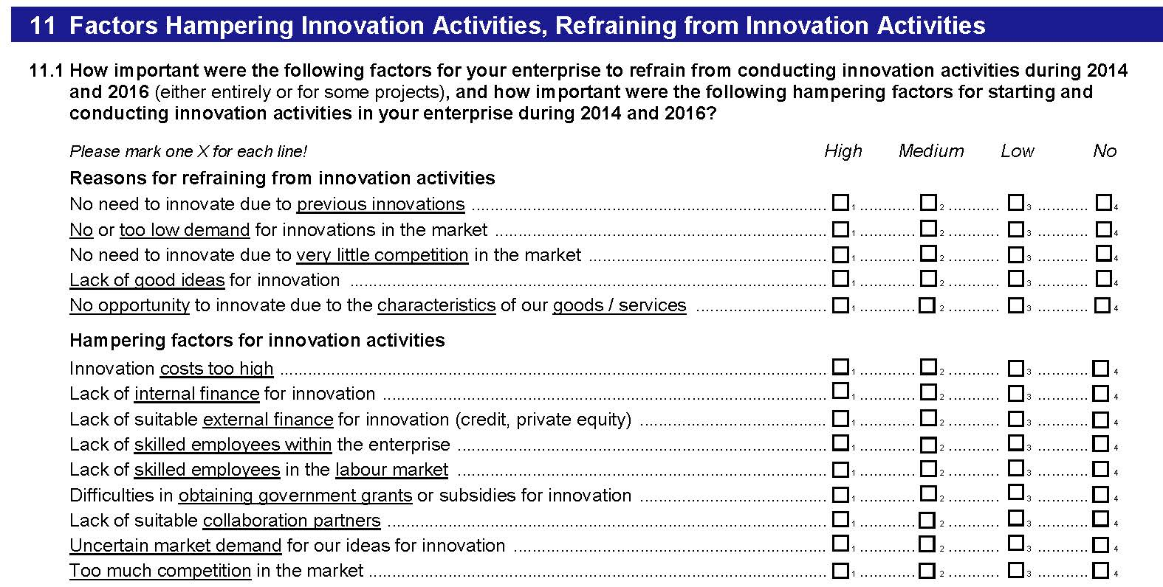
Introduction

1. Survey questions
Questions on obstacles to innovation activities were included in the years 2007, 2011, 2015 and 2017. The 2007 wave used 13, the 2011 and 2015 waves 16, and the 2017 wave 14 categories of hampering factors. In the waves 2007, 2011 and 2015, firms were asked to report whether hampering factors resulted in extended duration of innovation projects, discontinuation of innovation projects or not starting innovation projects, following a question design used in the CIS 3. In 2017, the question used a 4-point Likert scale on the importance of hampering factors.

2. Questions used in the surveys (translation from the original German version of the questionnaires)
2007 survey
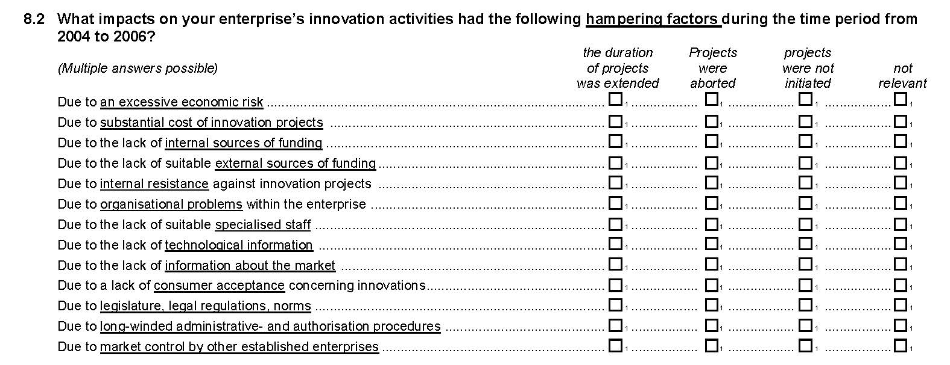

2011 survey
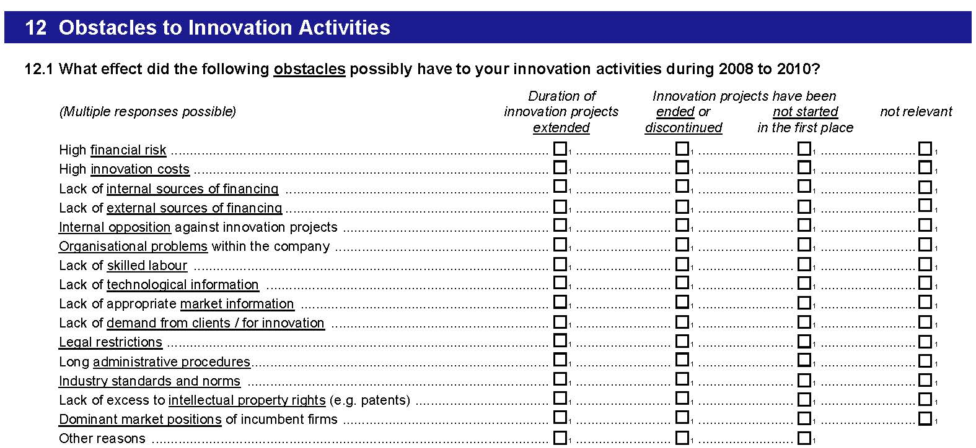

2015 survey
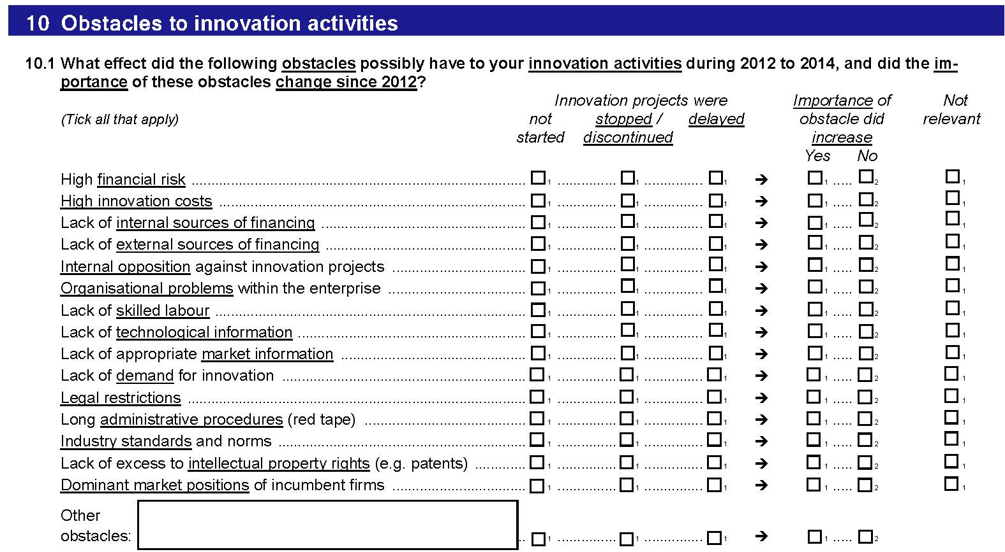

2017 survey

